Designer
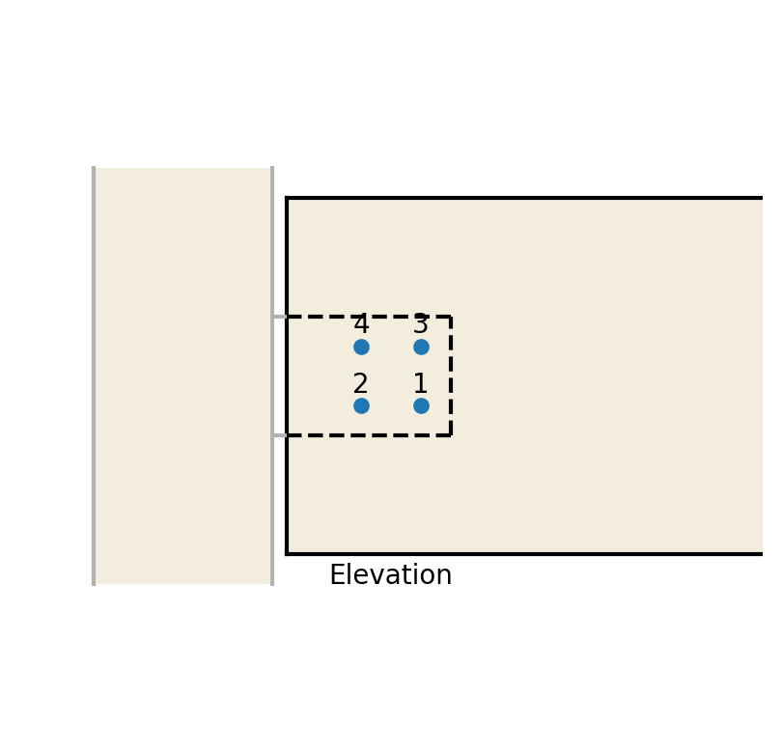
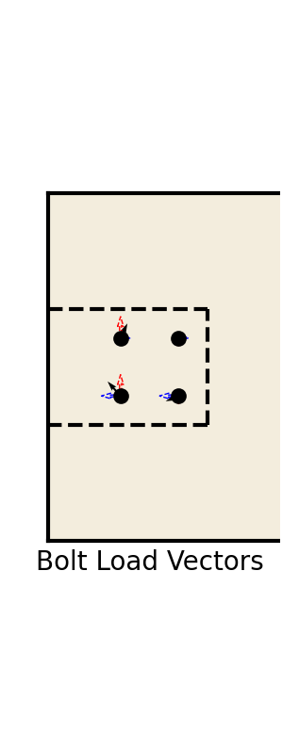
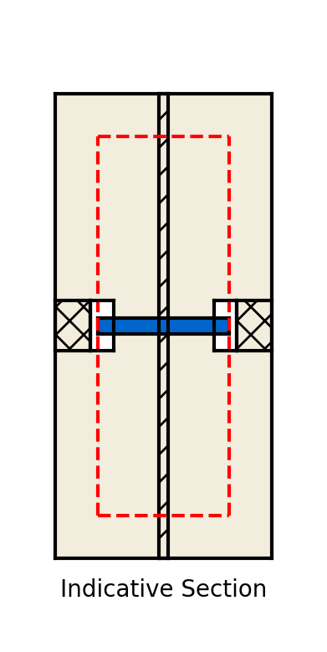

Beam to column connection / Embedded fin plate
Connection design to Eurocode BS EN 1995-1-1:2004 |  |  |  |  |  |  |  |  |  |  |  | material type | = | Glulam

Section Geometry |  |  |  |  |  | Timber properties |  |  |  |  |  | timber type | = | Softwood
 | Beam depth | h | = | 600 | mm |  | Fire time |  | = | 60
 | Beam thickness | t | = | 280 | mm |  | Timber grade |  | = | GL28h |  | k_mod | = | 0.8
 |  |  |  |  |  |  | Service class |  | = | 2
Connection loads |  |  |  |  |  |  |  |  |  |  |  | k_def | = | 0.8
 | Beam shear | F_z | = | 20 | kN |  | Timber material factor | γ_m | = | 1.25
 | Beam axial loading | F_x | = | 30 | kN |  |  |  |  |  |  | charring rate, beta_m | = | 0.8
 | Applied moment | M | = | 10 | kNm
 | Load duration |  | = | Medium-term |  |  |  |  |  |  |  | char depth, d_char_ef | = | 55

Connection geometry |  |  |  |  |  | Connection properties |  |  |  |  |  | Net bolt tensile area | = | 245
 | Number of shear planes | n_sp | = | 2 |  |  | Bolt/dowel grade |  | = | 8.8
 | Embedded plate thickness | t_pl | = | 12 | mm |  | Fixing diameter | d | = | 20 | mm | k_90 | = | 1.65
 | Timber end clearance |  | = | 25 | mm |  | Fixing type |  | = | Bolted
 |  |  |  |  |  |  | Outer fixing |  | = | Plate |  | Ultimate fixing strength | = | 400
 | Bolt arrangement |  | = | Grid |  |  | Washer diameter | d_w | = | 30 | mm
 |  |  |  |  |  |  | Fixing plate thickness | t_plOut | = | 12 | mm | Char. fixing yield strength | = | 240
 | Distance to beam end | a_3 | = | 125 | mm
 |  |  |  |  |  |  |  |  |  |  |  | Recess diameter | = | 65
 | No. of rows parallel to grain | n_para | = | 2
 | No. of rows perp. to grain | n_perp | = | 2 |  |  |  |  |  |  |  | Recess depth | = | 30

 | Bolt spacing parallel to grain | a_1 | = | 100 | mm |  |  |  |  |  |  | Embedment, t_1 | = | 55
 | Bolt spacing perp. to grain | a_2 | = | 100 | mm
 |  |  |  |  |  |  |  |  |  |  |  | Check 1 (Fixing capacity) | = | Design status = Fail (151% utilisation)
 | Bolt group radius | r_bg | = | 150 | mm
 | Number of bolts |  | = | 6 |  |  |  |  |  |  |  | Check 2 (Bolt row capacity) | = | Design status = Fail (148% utilisation)

Fin Plate details |  |  |  |  |  | Reporting |  |  |  |  |  | Check 3 (Splitting Capacity) | = | Design status = Fail (166% utilisation)
 | Edge distance |  |  | 50 | mm |  | Calc reference
 |  |  |  |  |  |  | Store Data |  |  |  |  | Check 4 (Block shear checks) | = | Design status = Pass (18% at section and 19% at connection)

 | Bolt recessed? |  |  | Y | (Y/n) |  |  |  |  |  |  | Fin Plate Checks | = | Design status = Pass (9% in shear, 60% in bending, 6% in tie resistance, 6% in bolt bearing)
 | Bolt concealed |  |  | Y | (Y/n)
 | ** dowel fixings are automatically concealed |  |  |  |  |  |  |  |  |  |  | Individual bolt analysis results
 |  |  |  |  |  |  |  |  |  |  |  | Bolt ref | Rel. coordinates |  |  | Bolt loads |  |  |  |  |  |  |  | Geometry requirements |  |  |  |  |  |  |  |  |  |  |  | Bolt capacities
 |  |  |  |  |  |  |  |  |  |  |  |  |  |  |  | Parallel to grain |  |  | Parallel to grain |  |  | Direction | Resultant
 |  |  |  |  |  |  |  |  |  |  |  |  | x | y | s | V_1,dir | V_1,mom | V_1 | V_2,dir | V_2,mom | V_2 | alpha | V | a_1 |  | a_2 |  | a_3t |  | a_3c |  | a_4t |  | a_4c |  | F_vRk | F_vRd
 |  |  |  |  |  |  |  |  |  |  |  |  |  |  |  |  |  |  |  |  |  |  |  | req,d | prov,d | req,d | prov,d | req,d | prov,d | req,d | prov,d | req,d | prov,d | req,d | prov,d
 |  |  |  |  |  |  |  |  |  |  |  |  | mm | mm | mm2 ? | kN | kN | kN | kN | kN | kN | deg | kN | mm |  | mm |  | mm |  | mm |  | mm |  | mm |  | kN | kN
 |  |  |  |  |  |  |  |  |  |  |  | 1 | -50 | -50 | 70.7 | -2.5 | -8.09 | -10.59 | 3.75 | -8.09 | -4.34 | 22 | 11.45 | 91 | 100 | 80 | 100 | 0 | 225 | - | - | 73 | 650 | 60 | 350 | 19 | 12.2
 |  |  |  |  |  |  |  |  |  |  |  | 2 | -50 | 50 | 70.7 | -2.5 | -8.09 | -10.59 | 3.75 | 8.09 | 11.84 | -48 | 15.89 | 91 | 100 | 80 | 100 | 0 | 125 | - | - | 73 | 350 | 60 | 650 | 16.4 | 10.5
 |  |  |  |  |  |  |  |  |  |  |  | 3 | 50 | -50 | 70.7 | -2.5 | 8.09 | 5.59 | 3.75 | -8.09 | -4.34 | -38 | 7.08 | 91 | 100 | 80 | 100 | - | - | 120 | 225 | 73 | 550 | 60 | 250 | 17.4 | 11.1
 |  |  |  |  |  |  |  |  |  |  |  | 4 | 50 | 50 | 70.7 | -2.5 | 8.09 | 5.59 | 3.75 | 8.09 | 11.84 | 65 | 13.1 | 91 | 100 | 80 | 100 | - | - | 120 | 125 | 73 | 250 | 60 | 550 | 15.2 | 9.7

 |  |  |  |  |  |  |  |  |  |  |  | Bolt row analysis
 |  |  |  |  |  |  |  |  |  |  |  | Row Ref | No bolts | Rel. coordinate | Row loads | Row capacity
 |  |  |  |  |  |  |  |  |  |  |  |  |  | y |  | F_vRd,2
 |  |  |  |  |  |  |  |  |  |  |  |  |  | mm | kN | kN
 |  |  |  |  |  |  |  |  |  |  |  | 1 | 2 | -50 | -8.69 | 14.28
 |  |  |  |  |  |  |  |  |  |  |  | 2 | 2 | 50 | 23.69 | 14.28

 |  |  |  |  |  |  |  |  |  |  |  | Bolt column analysis
 |  |  |  |  |  |  |  |  |  |  |  | Col Ref | No bolts | Rel. coordinate | Col loads | Col capacity
 |  |  |  |  |  |  |  |  |  |  |  |  |  | x |  | F_vRd,1
 |  |  |  |  |  |  |  |  |  |  |  |  |  | mm | kN | kN
 |  |  |  |  |  |  |  |  |  |  |  | 1 | 2 | -50 | -21.19 | 14.31
 |  |  |  |  |  |  |  |  |  |  |  | 2 | 2 | 50 | 11.19 | 14.31

Column Designer
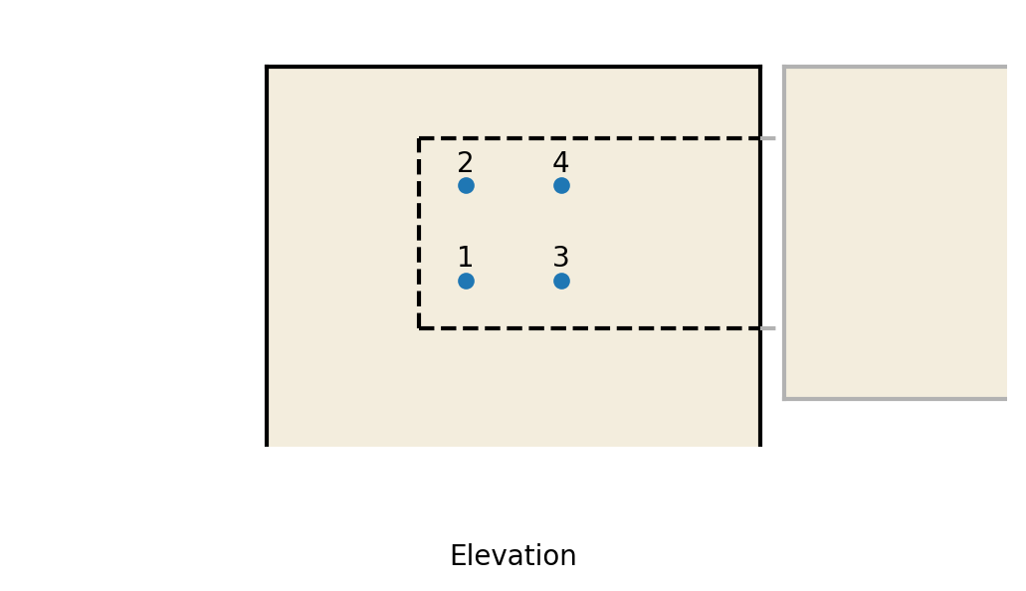
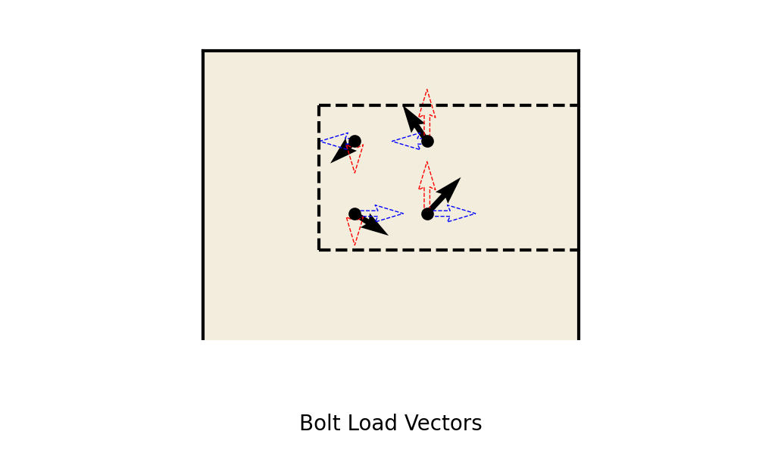
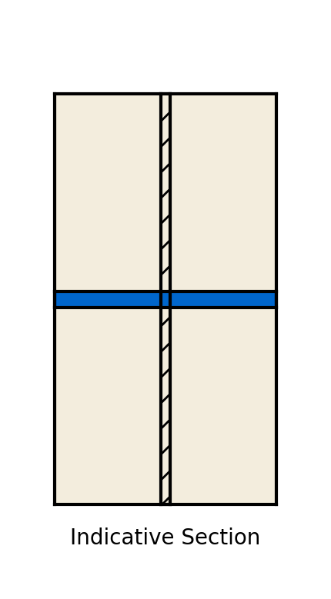
Job: |  | Example Project |  |  |  |  | Date
Title: |  | Slab XX Deflection |  |  |  |  | Eng
Job No: |  | XXXX |  | Sheet no. |  |  | Rev
Connection design to Eurocode BS EN 1995-1-1:2004 |  |  |  |  |  |  |  |  |  |  |  |  | material type | = | Glulam
 | Section Geometry |  |  |  |  |  | Reporting
 |  | Section depth | h | = | 520 | mm |  | Calc reference | Column 1 |  |  |  | timber type | = | Softwood
 |  | Section thickness | t | = | 280 | mm |  | Store Data | Y
 |  |  |  |  |  |  |  |  |  |  |  |  | k_mod | = | 0.8
 | Connection loads
 |  | Shear parallel to grain | V_ed,1 | = | 30 | kN |  |  |  |  |  |  | k_def | = | 0.8
 |  | Shear perpindicular to grain | V_ed,2 | = | 20 | kN
 |  | Applied moment | M_ed | = | -10 | kNm |  |  |  |  |  |  | charring rate, beta_m | = | 0.8

 | Timber properties |  |  |  |  |  |  |  |  |  |  |  | Net bolt tensile area | = | 245
 |  | Fire time |  | = | 0
 |  | Timber grade |  | = | GL28h |  |  |  |  |  |  |  | k_90 | = | 1.65
 |  | Service class |  | = | 2
 |  | Load duration |  | = | Medium-term |  |  |  |  |  |  |  | Ultimate fixing strength | = | 400
 |  | Timber material factor | γ_m | = | 1.25
 |  |  |  |  |  |  |  |  |  |  |  |  | Char. fixing yield strength | = | 240
 | Connection properties
 |  | Fixing grade |  | = | 8.8 |  |  |  |  |  |  |  | Embedment, t_1 | = | 130
 |  | Fixing diameter | d | = | 20 | mm
 |  | Fixing type |  | = | Bolted |  |  |  |  |  |  |  | Check 1 (Fixing capacity) | = | Design status = Fail (157% utilisation)
 |  | Outer fixing |  | = | Plate
 |  | Washer diameter | d_w | = | 30 | mm |  |  |  |  |  |  | Check 2 (Bolt row capacity) | = | Design status = Fail (165% utilisation)
 |  | Fixing plate thickness | t_plOut | = | 12 | mm
 |  |  |  |  |  |  |  |  |  |  |  |  | Check 3 (Splitting Capacity) | = | Design status = Fail (111% utilisation)
 | Connection geometry
 |  | Number of shear planes | n_sp | = | 2 |  |  |  |  |  |  |  | Check 4 (Block shear checks) | = | Design status = Pass (36% at section and 39% at connection)
 |  | Embedded plate thickness | t_pl | = | 12 | mm
 |  | Timber end clearance |  | = | 25 | mm

 |  | Bolt arrangement |  | = | Grid |  |  |  |  |  |  |  | Individual bolt analysis results
 |  |  |  |  |  |  |  |  |  |  |  |  | Bolt ref | Rel. coordinates |  |  | Bolt loads |  |  |  |  |  |  |  | Geometry requirements |  |  |  |  |  |  |  |  |  |  |  | Bolt capacities
 |  | Distance to beam end | a_3 | = | 125 | mm |  |  |  |  |  |  |  |  |  |  | Parallel to grain |  |  | Parallel to grain |  |  | Direction | Resultant
 |  |  |  |  |  |  |  |  |  |  |  |  |  | x | y | s | V_1,dir | V_1,mom | V_1 | V_2,dir | V_2,mom | V_2 | alpha | V | a_1 |  | a_2 |  | a_3t |  | a_3c |  | a_4t |  | a_4c |  | F_vRk | F_vRd
 |  | No. of rows parallel to grain | n_para | = | 2 |  |  |  |  |  |  |  |  |  |  |  |  |  |  |  |  |  |  |  | req,d | prov,d | req,d | prov,d | req,d | prov,d | req,d | prov,d | req,d | prov,d | req,d | prov,d
 |  | No. of rows perp. to grain | n_perp | = | 2 |  |  |  |  |  |  |  |  | mm | mm | mm2 ? | kN | kN | kN | kN | kN | kN | deg | kN | mm |  | mm |  | mm |  | mm |  | mm |  | mm |  | kN | kN
 |  |  |  |  |  |  |  |  |  |  |  |  | 1 | -50 | -50 | 70.7 | -3.75 | 15.44 | 11.69 | 2.5 | 15.44 | 17.94 | 57 | 21.41 | 97 | 100 | 80 | 100 | - | - | 87 | 225 | 62 | 310 | 60 | 570 | 24.7 | 15.8
 |  | Bolt spacing parallel to grain | a_1 | = | 100 | mm |  |  |  |  |  |  | 2 | -50 | 50 | 70.7 | -3.75 | 15.44 | 11.69 | 2.5 | -15.44 | -12.94 | -48 | 17.43 | 97 | 100 | 80 | 100 | - | - | 87 | 125 | 62 | 570 | 60 | 310 | 25.6 | 16.4
 |  | Bolt spacing perp. to grain | a_2 | = | 100 | mm |  |  |  |  |  |  | 3 | 50 | -50 | 70.7 | -3.75 | -15.44 | -19.19 | 2.5 | 15.44 | 17.94 | -43 | 26.27 | 97 | 100 | 80 | 100 | 0 | 225 | - | - | 62 | 210 | 60 | 470 | 26.2 | 16.7
 |  |  |  |  |  |  |  |  |  |  |  |  | 4 | 50 | 50 | 70.7 | -3.75 | -15.44 | -19.19 | 2.5 | -15.44 | -12.94 | 34 | 23.14 | 97 | 100 | 80 | 100 | 0 | 125 | - | - | 62 | 470 | 60 | 210 | 27.2 | 17.4
 |  | Bolt group radius | r_bg | = | 150 | mm
 |  | Number of bolts |  | = | 6 |  |  |  |  | Polar Moment of Inertia = | 20000 | mm2

 | Connection arrangement |  |  |  |  |  |  |  |  |  |  |  | Bolt row analysis
 |  | Beam or column |  |  | Column |  |  |  |  |  |  |  | Row Ref | No bolts | Rel. coordinate | Row loads | Row capacity
 |  |  |  |  |  |  |  |  |  |  |  |  |  |  | y |  | F_vRd,2
 | Plate details |  |  |  |  |  |  |  |  |  |  |  |  |  | mm | kN | kN
 |  | Edge distance |  |  | 50 | mm |  |  |  |  |  |  | 1 | 2 | -50 | 35.88 | 32.27
 |  |  |  |  |  |  |  |  |  |  |  |  | 2 | 2 | 50 | -25.88 | 32.27

 |  | Bolt recessed? |  |  | n | (Y/n)
 |  | Bolt concealed |  |  | n | (Y/n) |  |  |  |  |  |  | Bolt column analysis
 |  | ** dowel fixings are automatically concealed |  |  |  |  |  |  |  |  |  |  | Col Ref | No bolts | Rel. coordinate | Col loads | Col capacity
 |  |  |  |  |  |  |  |  |  |  |  |  |  |  | x |  | F_vRd,1
 |  |  |  |  |  |  |  |  |  |  |  |  |  |  | mm | kN | kN
 |  |  |  |  |  |  |  |  |  |  |  |  | 1 | 2 | -50 | 23.38 | 23.25
 |  |  |  |  |  |  |  |  |  |  |  |  | 2 | 2 | 50 | -38.38 | 23.25

